Sheet1
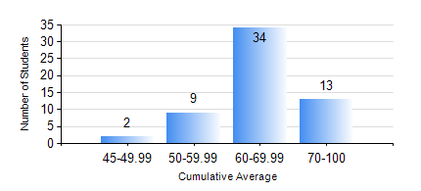
 |  |  | KWAME NKRUMAH UNIVERSITY OF SCIENCE AND TECHNOLOGY, KUMASI Department of Computer Engineering

 |  |  | BSC. COMPUTER ENG.

 |  |  | COMPREHENSIVE RECORD OF EXAMINATION RESULTS

 |  |  | RESULTS OF YEAR 4 SECOND SEMESTER, 2018/2019 ACADEMIC YEAR

 | Sn | Course Code |  | Course Name | Credit Hours | Min. Mark | Max. Mark | Avg. Mark | Std. Dev. | No. Passed | No. Trailed | No. (Df) | No. (I) | No. (I*) | No. Tagged(I,I*,Df) | Total
 | 0. |  |  |  |  |  |  | 0 | 0 | 0 | 0 | 0 | 0 | 0 | 0 | 1
 | 1. | COE 454 |  | SOFTWARE ENGINEERING | 3 | 64 | 92 | 77 | 7.8 | 23 | 0 | 0 | 0 | 0 | 0 | 23
 | 2. | COE 456 |  | SECURE NETWORK SYSTEMS | 3 | 59 | 92 | 70 | 7.56 | 50 | 0 | 0 | 1 | 0 | 1 | 51
 | 3. | COE 458 |  | ROBOTICS AND COMPUTER VISION | 3 | 42 | 82 | 68 | 9.12 | 36 | 0 | 0 | 0 | 0 | 0 | 36
 | 4. | COE 472 |  | DIGITAL SIGNAL PROCESSING | 3 | 53 | 94 | 81 | 8.23 | 41 | 0 | 0 | 0 | 0 | 0 | 41
 | 5. | COE 480 |  | FAULT DIAGNOSIS AND FAILURE TOLERANCE | 3 | 40 | 76 | 62 | 11.21 | 17 | 0 | 0 | 0 | 0 | 0 | 17
 | 6. | COE 486 |  | INTRODUCTION TO VLSI | 3 | 41 | 72 | 61 | 11 | 6 | 0 | 0 | 0 | 0 | 0 | 6
 | 7. | COE 498 |  | PROJECT II | 5 | 54 | 90 | 83 | 8.16 | 56 | 0 | 0 | 1 | 0 | 1 | 57
 | 8. | ME 492 |  | MANAGEMENT AND ENTREPRENEURSHIP DEVELOPMENT | 2 | 43 | 72 | 60 | 6.81 | 57 | 0 | 0 | 0 | 0 | 0 | 57

